1. General specifications
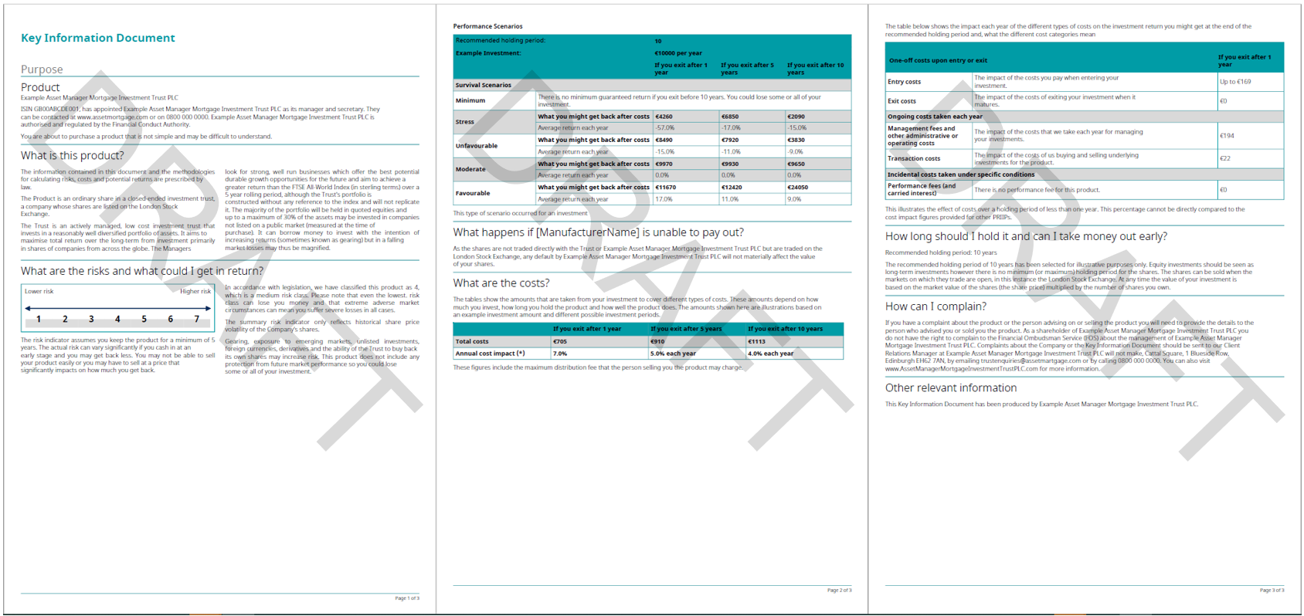
 |  |  |  |  |  | generic KID example - for illustration only
Client Name: | Nuveen |  |  |  | Additional elements to be provided to FE fundinfo (where relevant): Logo(s) (header/footer) in eps, ai, svg format Font (in the following versions: bold, italic, bold/italic – must be UTF-8 compliant) KID mock-up If available, design guidelines of the company
Fund Name:
Template Name*: | priipskid_Nuveen_202401_EU
Theme Name*: | Nuveen_theme_202401_EU

Category | Information | Preferred format / Specific need | pF input | Client input | Comments
Protection | Password KID protection | Y, N
Document layout | Top up margin | mm, cm | 0.90cm
Document layout | Top down margin | mm, cm | 0.75m
Document layout | Left margin | mm, cm | 1,00 cm
Document layout | Right margin | mm, cm | 1,00 cm
Document layout | multiple columns of text | Y, N | Y for 2 sections : - What is this product ? - What are the risks and what could I get in return ?
Document layout | Text column display | fixed, floating or balancing | balancing |  | fixed: text will remain in the predefined column, no matter if the text is too long. floating: the overflow text from column B will go on column A. balancing: the columns are as balanced as possible
Document layout | Gutter between columns | mm, cm | 0.50cm
Logo | Header logo object | ai, eps, svg | ASK CLIENT
Logo | Header logo width | mm, cm | 4.15cm
Logo | Header logo height | mm, cm | 1cm
Logo | Header logo position | Top left, top right, centered,… | top left
Logo | Logo on first page only | Y, N | Y
Logo | margin for each side of the logo (top, right, bottom, and left). | mm, cm | use document margin
Logo | Other logo (e.g. Footer,…) | Y, N | N
Decorative line or background | Color | RGB, HEX (0-0-0) | Light Grey RGB 179 179 178
Decorative line or background | Width | pts if line, mm or cm if background | 0.02 cm
Decorative line or background | Position | Top, bottom or between elements | Top |  | Define the position of each line in the document
Decorative line or background | Margins (external margin if a line, external and internal margin if a background) | mm, cm | Left and right margin : 1,00 cm Bottom : 0,30 cm Top : 0,45 cm |  | Space between lines and elements (top, left, right and bottom)

Page numbering | Are the pages numbered? | Y,N | Y
Page numbering | Page number position if applicable | bottom/top - left/center/right | bottom left

Section title | Space before section title | mm, cm | 0.30cm
Section title | Space after section title | mm, cm | 0.30cm
Body text | Space between paragraphs | millimetres baseline to baseline + leading | 0,30 cm
Body text | Space between lines (leading) | % | line spacing single

SRI | Rectangles width | mm, cm | 1.10cm
SRI | Rectangles height | mm, cm | 1cm
SRI | Font size - default SRI | pts | 9 pts
SRI | Font size - Current SRI | pts | 9 pts
SRI | Font color – default | RGB | Black : RGB 0-0-0
SRI | Font color – current | RGB | White : RGB 255 255 255
SRI | Table border color | RGB | No border
SRI | Table background color – default SRI | RGB | Light blue : RGB 190 233 244
SRI | Table background color – current SRI | RGB | Dark blue : RGB 0 169 218
SRI Legend | Arrow color | RGB | Black : RGB 0-0-0
SRI Legend | Arrow position | top, bottom | Top
SRI warning | Triangle color | RGB, HEX (0-0-0) | FEFI standard |  | Please add FE Standard recommendation
SRI warning | Exclamation mark - size | pts | FEFI standard |  | Please add FE Standard recommendation
SRI warning | Exclamation mark - color | RGB, HEX (0-0-0) | FEFI standard |  | Please add FE Standard recommendation
SRI warning | Triangle + Exlamation mark inside | to be provide in eps, ai, svg | not provided by client use FEFI standard |  | Please add FE Standard recommendation

Tables : Peformance scenario table Cost overtime table Breakdown of the cost | Decimal separator | . Or , | .
 | Thousand separator | , Or space | ,
 | Enable page continuation | Y, N | Y
 | Currency format | symbol after value / symbol before value/ acronym after value / acronym before value | symbol before value
 | border line - color | RGB, HEX (0-0-0) | Light Grey RGB 179 179 178
 | border line - width | pts | 0.02 cm
 | Tble header rows: | Tble header rows: | dark blueblue : RGB 190 233 244
 | The header second row | The header second row | Light blue : RGB 229 246 250
 | The table first line | The table first line | Blue RGB 0 169 218
 | The table other lines | The table other lines | Light Grey RGB 179 179 178

 | FONTS
 | all text font types and size | Georgia and 8 pts
 | Frist headers | 12 pts
 | Second headers | 10 pts
 | all texts in the table font types and size | NewsGothicBT and 8pts

 | the first lsentence each page as a header, the first part blue Blue RGB 0 169 218 aand bold
 | all links are Blue RGB 0 169 218

